pat_dem
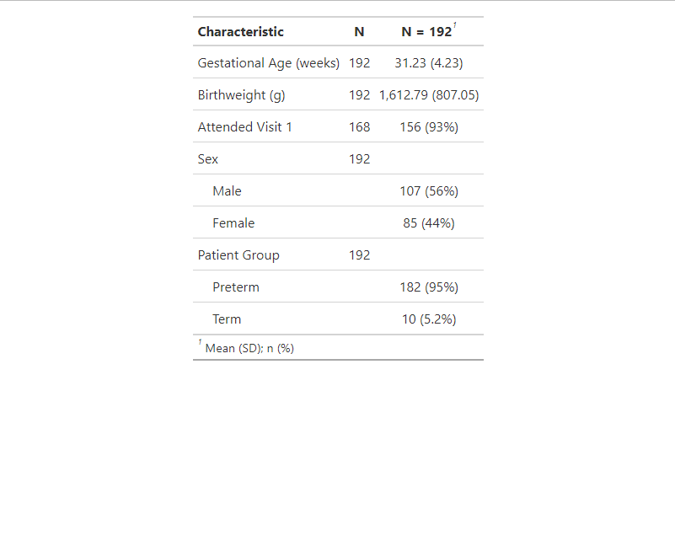

n_cruss_abn_gm_mri
1. Normal CRUSS: Abnormal GMA Result or MRI Requested - Preterm
Variable | Category | N | Percent
Total |  | 162 | 100
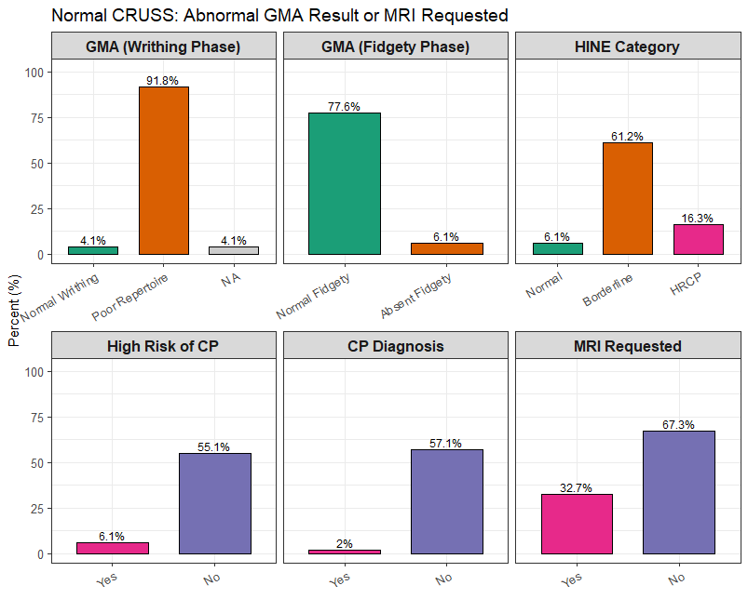
gma_result | Poor repertoire | 23 | 85.2
gma_result | Normal writhing | 2 | 7.4
gma_result | Cramped Synchronized | 2 | 7.4
gma_result_v1 | Normal fidgety | 21 | 77.8
gma_result_v1 | Absent Fidgety movements | 3 | 11.1
gma_result_v1 | NA | 2 | 7.4
gma_result_v1 | Abnormal Fidgety movements | 1 | 3.7
hrcp | 0 | 15 | 55.6
hrcp | NA | 10 | 37
hrcp | 1 | 2 | 7.4
cp | 0 | 13 | 48.1
cp | NA | 11 | 40.7
cp | 1 | 3 | 11.1
mri_requested | 0 | 20 | 74.1
mri_requested | 1 | 7 | 25.9
hine_cat | Borderline | 16 | 59.3
hine_cat | HRCP | 5 | 18.5
hine_cat | Normal | 3 | 11.1
hine_cat | NA | 3 | 11.1

ivh_1_2_abn_gm_mri
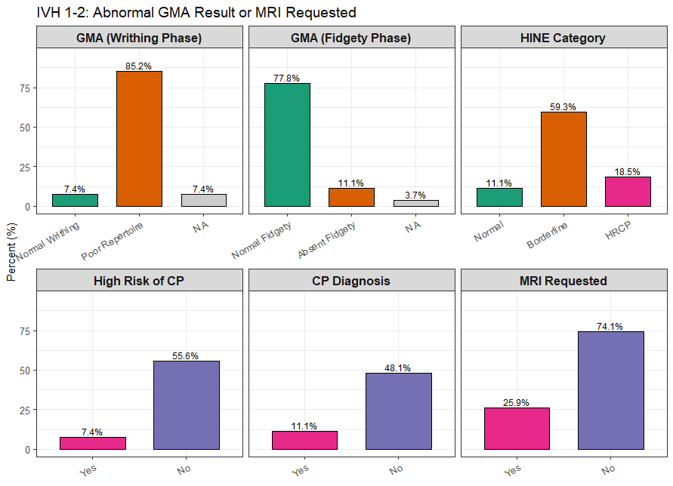
2. IVH 1-2: Abnormal GMA Result or MRI Requested - Preterm
Variable | Category | N | Percent
Total |  | 162 | 100
gma_result | Poor repertoire | 23 | 85.2
gma_result | Normal writhing | 2 | 7.4
gma_result | Cramped Synchronized | 2 | 7.4
gma_result_v1 | Normal fidgety | 21 | 77.8
gma_result_v1 | Absent Fidgety movements | 3 | 11.1
gma_result_v1 | NA | 2 | 7.4
gma_result_v1 | Abnormal Fidgety movements | 1 | 3.7
hrcp | 0 | 15 | 55.6
hrcp | NA | 10 | 37
hrcp | 1 | 2 | 7.4
cp | 0 | 13 | 48.1
cp | NA | 11 | 40.7
cp | 1 | 3 | 11.1
mri_requested | 0 | 20 | 74.1
mri_requested | 1 | 7 | 25.9
hine_cat | Borderline | 16 | 59.3
hine_cat | HRCP | 5 | 18.5
hine_cat | Normal | 3 | 11.1
hine_cat | NA | 3 | 11.1

n_cruss_n_gm
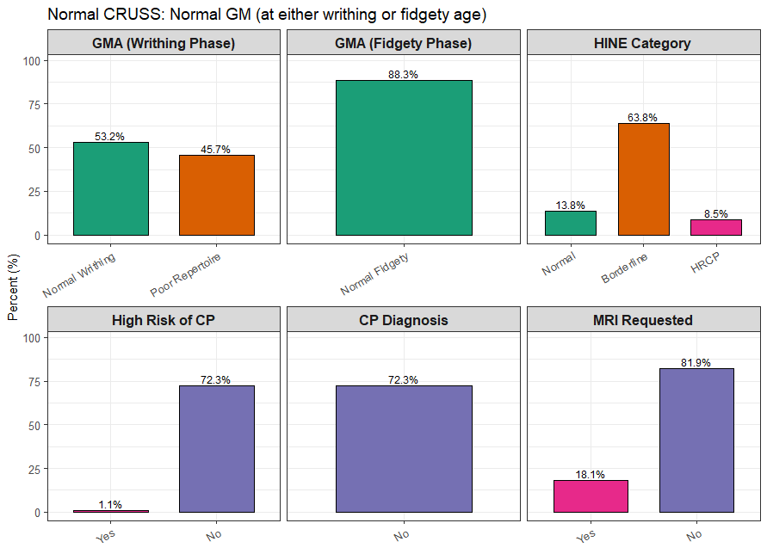
3. Normal CRUSS: Normal GM (at either writhing or fidgety age)
Variable | Category | N | Percent
Total |  | 94 | 100
gma_result | Normal writhing | 50 | 53.2
gma_result | Poor repertoire | 43 | 45.7
gma_result | NA | 1 | 1.1
gma_result_v1 | Normal fidgety | 83 | 88.3
gma_result_v1 | NA | 11 | 11.7
hrcp | 0 | 68 | 72.3
hrcp | NA | 25 | 26.6
hrcp | 1 | 1 | 1.1
cp | 0 | 68 | 72.3
cp | NA | 26 | 27.7
mri_requested | 0 | 77 | 81.9
mri_requested | 1 | 17 | 18.1
hine_cat | Borderline | 60 | 63.8
hine_cat | Normal | 13 | 13.8
hine_cat | NA | 13 | 13.8
hine_cat | HRCP | 8 | 8.5
hine_cat | Total | 94 | 100

